STS
PT. INSPEKTINDO SINERGI PERSADA
SERVICES TIME SHEET

Personnel In Attendance: |  | Mardiansyah/Rasdi |  | Customer: | Pertamina Hulu Kalimantan Timur |  | Date : | 2-Nov-21

Period: |  | 1 November 21 |  | Contract/ PO Non: | KTAD-DC473-S |  | Our Ref: | NFI-KTAD-DC473-S-01112021-001

Day Rate: |  |  |  | Rig / Well: | SB-01

Per Diem Rate : |  |  |  |  |  |  | Form No. :

Billing Date | Rig / Loc* | Time* | ACTIVITY |  |  |  | BILLING
 |  |  |  |  |  |  | Day | Mob/ Demob (USD) | Per diem (Day)
1-Nov-21 | Technip FMC - Balikpapan | 08.00 - 17.00 | Inspection on 13 - 13 5/8" Clamp Hub |  |  |  | 1

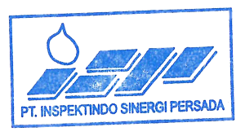
 |  |  |  |  |  | TOTAL (Days) | 1
 |  |  |  |  |  | TOTAL (USD)
 |  |  |  | * If Applicable |  | GRAND TOTAL

Mardiansyah/Rasdi
Personnel In Attendance |  |  | Contractor Representative |  | Rig Representative |  | The Company Representative

