STS
PT. INSPEKTINDO SINERGI PERSADA
SERVICES TIME SHEET

Personnel In Attendance: |  | Mardiansyah |  | Customer: | Pertamina Hulu Kalimantan Timur |  | Date : | 11 October 2021

Period: |  | 7 October 21 |  | Contract/ PO Non: | Mr. Ardi Septiawan |  | Our Ref:

Day Rate: |  |  |  | Rig / Well: | YAKIN

Per Diem Rate : |  |  |  |  |  |  | Form No. :

Billing Date | Rig / Loc* | Time* | ACTIVITY |  |  |  | BILLING
 |  |  |  |  |  |  | Day | Mob/ Demob (USD) | Per diem (Day)
7-Oct-21 | Balikpapan - Weatherford | 08.00 - 17.00 | Inspection on 1 ¼” Nominal Workstring Tubing Macaroni, 3.2 PPF, WTS 8 Conn, 1 ¼” Nominal Pup Joint Workstring, Bowl Slip Assy, Center Latch Elevator, Lifting Cap |  |  |  | 1

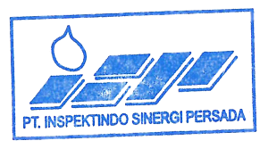
 |  |  |  |  |  | TOTAL (Days) | 1
 |  |  |  |  |  | TOTAL (USD)
 |  |  |  | * If Applicable |  | GRAND TOTAL

Mardiansyah
Personnel In Attendance |  |  | Contractor Representative |  | Rig Representative |  | The Company Representative

