Dec-Jan
PT. INSPEKTINDO SINERGI PERSADA
SERVICES TIME SHEET

Personnel In Attendance: | Ariandi Farmanda |  |  | Customer: |  | PT. Schlumberger Geophysic Nusantara |  |  | Date : | 22-Mar-21

Period: | Feb - Mar 2021 |  |  | Contract/ PO Non: |  | - |  |  | Our Ref: | -

Day Rate: | - |  |  | Rig / Well: |  | -

Per Diem Rate : | - |  |  |  |  |  |  | Form No. :

Billing Date | Rig / Loc* | Time* | ACTIVITY |  |  |  |  | BILLING
 |  |  |  |  |  |  |  | Hour/s | ID Base Number | Segment | Company Representative Signature
2021-02-26 | Staging | 08.00 - 17.00 | Inspection Services Lifting Equipment for Schlumberger Geophysic Nusantara |  |  |  |  | 8 | - | WS-Coiled Tubing
9-Mar-21 | Staging | 08.00 - 17.00 | Inspection Services Lifting Equipment for Schlumberger Geophysic Nusantara |  |  |  |  | 8 | - | WS-Coiled Tubing
16-Mar-21 | Staging | 08.00 - 17.00 | Inspection Services Lifting Equipment for Schlumberger Geophysic Nusantara |  |  |  |  | 8 | - | WS-Coiled Tubing
18-Mar-21 | Kulim | 08.00 - 17.00 | Inspection Services Lifting Equipment for Schlumberger Geophysic Nusantara |  |  |  |  | 8 | - | WS-Coiled Tubing
20-Mar-21 | Siak | 08.00 - 17.00 | Inspection Services Lifting Equipment for Schlumberger Geophysic Nusantara |  |  |  |  | 8 | - | WS-Coiled Tubing

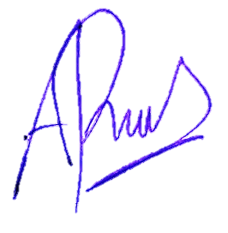
 |  |  |  |  |  |  | TOTAL (hours) | 32
 |  |  |  |  | * If Applicable

Ariandi Farmanda
Personnel In Attendance

